
 |  |  |  | CODE: |  |  | pl1073 aa SN from 98L000
DESCRIPTION: |  | HEAD 78 |  | KOPF 78 | TETE 78 | CABEZA 78 | TESTATA 78:MOTORE

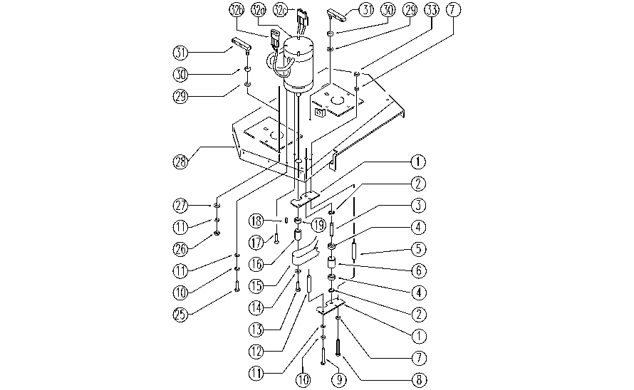

REF. | CODE | DESCRIPTION | QT
1 | E86665 | Plate (Idler Bearing) | 2
2 | E89408 | Stop Ring | 2
3 | E86666 | AS28 Pin | 1
4 | E86667 | Bearing, 6001 2RS | 2
5 | E89485 | Spacer | 1
6 | E86727 | Neutral Pulley | 1
7 | E86707 | Cham Washer D10 | 2
8 | E86553 | screw | 1
9 | E86554 | screw | 2
10 | E86702 | Cham Washer D8 | 3
11 | E86726 | Washer | 5
12 | E86555 | spacer | 2
13 | E87758 | Screw | 1
14 | E87757 | Washer | 1
15 | E86819 | Belt | 1
16 | E87756 | Pulley | 1
17 | SL04283 | SCREW | 1
18 | E86536 | Key | 1
19 | E87755 | Spacer | 1
25 | SL04083 | SCREW | 1
26 | E86853 | Nyloc Hex Nut, M8 Zinc | 2
27 | E86881 | Washer | 2
28 | SL09683 | PLATE | 1
29 | E86980 | Washer D13-24-2.5 | 2
30 | E86975 | Rubber Gasket | 2
31 | SL09629 | BRACKET | 2
33 | E86552 | nut | 1
32a | E86803 | Brush Motor | 1
32b | E87903 | Connector | 1
32c | E86580 | Connector, SB50, | 1
32d | E86804 | Carbon Brushes | 4

